US5
 | Test Scenarios for SimpCity
 | Test Cases Creation |  |  | System Testing (TDA) |  |  | User Acceptance Testing |  | Team
 | User Stories: | US5 - As a user, I want to be able to input a number so that I can select the type of building to place down. |  | Version Control: | V1 |  | Version Control: | V1 | Scrum Master: | Megan Png
 | Created By: | Hui Ying |  | Tester: | Hui Ying |  | User: |  | Tech Lead: | Claris
 | Dated as of: | 8-Dec-21 |  | Test Date: | 10-Dec-21 |  | UAT Date: |  | QA: | Hui Ying
 | Status: | Done |  | Status: | Done |  | Status: | Pending | Developer: | Amanda Chan
 | Reviwed By: |  |  | Reviwed By: |  |  | Reviwed By:
 | Tech Lead | Claris (Approved in GitHub Pull Request) |  | Scrum Master | Megan Png |  | Scrum Master: | <Signature>
 |  |  |  | Tech Lead | Claris (Approved in GitHub Pull Request) |  | Tech Lead: | <Signature>
 |  |  |  |  |  |  | QA: | <Signature>
V1 | condition to test Start New Game Feautre | steps
S/NO | Test Scenario | Test Scenario Description | Test Values | Expected Outcome | Boundary? Equivalence? | Functional? Non-Functional? | Pass/ Fail | Actual Outcome | Test Result (Pass / Fail) | Remarks
1 | The number "1" is inputted by the user | 1. The user enters an option value of the numeric interger "1" when the message "Your Choice?" prompted | Before: Start New Game option is selected After: Your Choice? 1 | The message "Build where?" will be displayed to prompt the users to enter the location of the selected building to be placed | Equivalence | Functional | Pass | 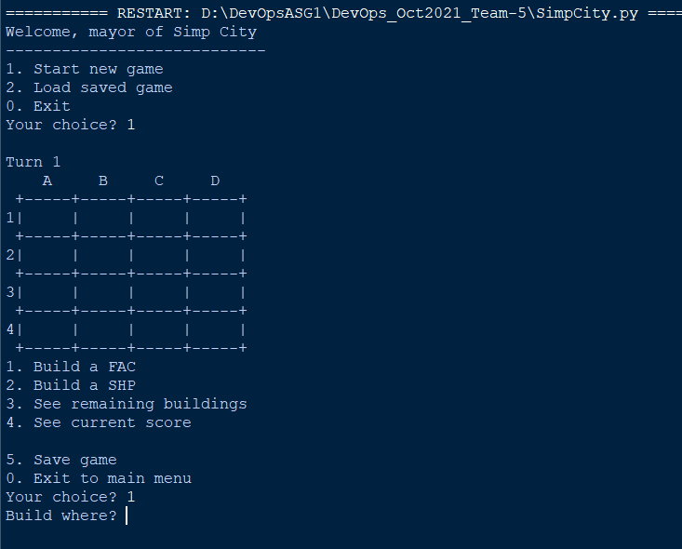 | Pass
2 | The number "2" is inputted by the user | 1. The user enters an option value of the numeric interger "2" when the message "Your Choice?" prompted | Before: Start New Game option is selected After: Your Choice? 2 | The message "Build where?" will be displayed to prompt the users to enter the location of the selected building to be placed | Equivalence | Functional | Pass | 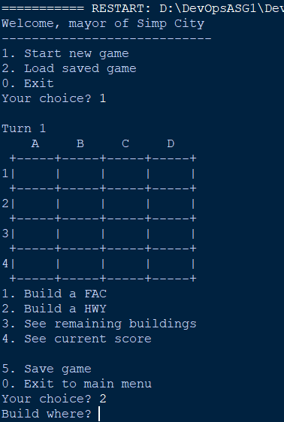 | Pass
3 | The number from "0" to "5" is not inputted by the user, then the user try again with the number "2", then with value from "3" to "5" or "0" | 1. The user enters an option value that is not a numeric interger of "0" to "2" when prompted 2. The user enters "0" to exit to the main menu 3. The user enters an option value of the numeric interger "2" when the message "Your Choice?" is prompted 4.The user enters "0" to exit to the main menu 5. The user enters any value from "3" to "5" 6. The user enters "0" to exit to the main menu 7. The users enter an option value that is not from "0" to "5" and is not a numeric interger" | Before: | Start New Game option is selected |  | Functional
 |  |  | After: 1. Value from "3" to "5" or "0". | 1. The system shall process each option value from the menu as accordance. | Boundary |  | Pass | 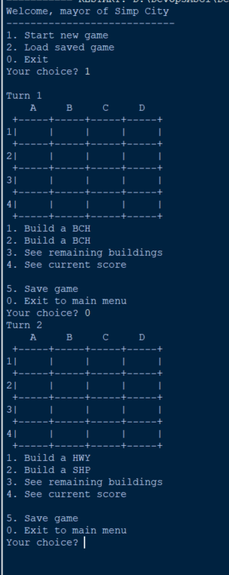 | Fail | Since, it was metion that the input validation is not done yet, hence this test case passed even it never meet the expected output
 |  |  | After: 2. Nominal value: 2 | 2. The message "Build where?" shall be displayed to prompt the users to enter the location of the selected building to be placed |  |  | Pass |  | Pass
 |  |  | After: 3. [Any value except "0" to "5"" | 3. The system shall not return any prompt or input. |  |  | Pass | 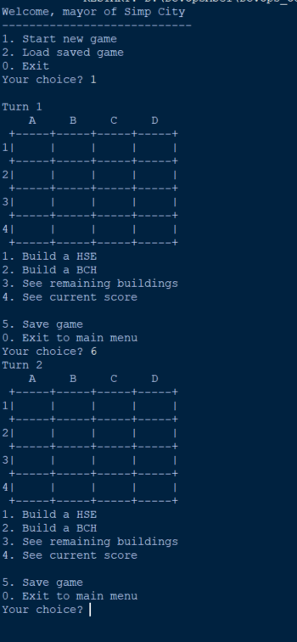 | Fail | Since, it was metion that the input validation is not done yet, hence this test case passed even it never meet the expected output
 |  |  | After: 4. [Any value expect "0" to "5" and not a numeric interger} | 4. The system shall display an error message shall be displayed to remind the users only number "0" to "5" will be accepted. |  |  | Fail | 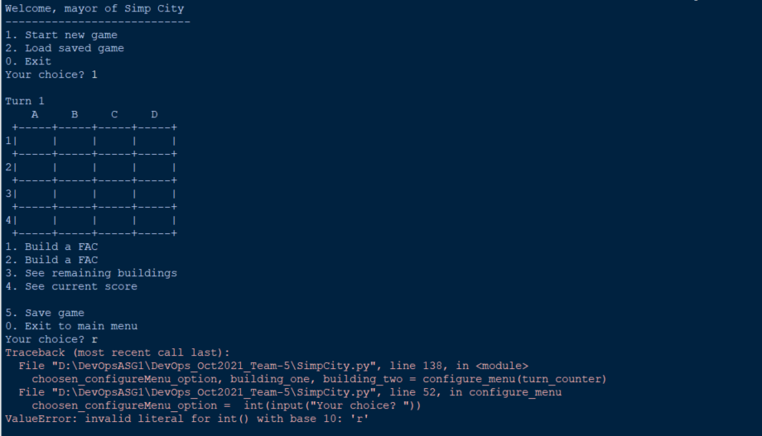 | Pass | Since, it was metion that the input validation is not done yet, hence this test case passed even it never meet the expected output

V2 | condition to test Start New Game Feautre | steps
S/NO | Test Scenario | Test Scenario Description | Test Values | Expected Outcome | Boundary? Equivalence? | Functional? Non-Functional? | Pass/ Fail | Actual Outcome | Test Result (Pass / Fail) | Remarks
1 | The number "1" is inputted by the user | 1. The user enters an option value of the numeric interger "1" when the message "Your Choice?" prompted | Before: Start New Game option is selected After: Your Choice? 1 | The message "Build where?" will be displayed to prompt the users to enter the location of the selected building to be placed | Equivalence | Functional | Pass |  | Pass
2 | The number "2" is inputted by the user | 1. The user enters an option value of the numeric interger "2" when the message "Your Choice?" prompted | Before: Start New Game option is selected After: Your Choice? 2 | The message "Build where?" will be displayed to prompt the users to enter the location of the selected building to be placed | Equivalence | Functional | Pass |  | Pass
3 | The number from "0" to "5" is not inputted by the user, then the user try again with the number "2", then with value from "3" to "5" or "0" | 1. The user enters an option value that is not a numeric interger of "0" to "2" when prompted 2. The user enters "0" to exit to the main menu 3. The user enters an option value of the numeric interger "2" when the message "Your Choice?" is prompted 4.The user enters "0" to exit to the main menu 5. The user enters any value from "3" to "5" 6. The user enters "0" to exit to the main menu 7. The users enter an option value that is not from "0" to "5" and is not a numeric interger" | Before: | Start New Game option is selected |  | Functional
 |  |  | After: 1. Value from "3" to "5" or "0". | 1. The system shall process each option value from the menu as accordance. | Boundary |  | Pass |  | Pass | Since, it was metion that the input validation is not done yet, hence this test case passed even it never meet the expected output
 |  |  | After: 2. Nominal value: 2 | 2. The message "Build where?" shall be displayed to prompt the users to enter the location of the selected building to be placed |  |  | Pass |  | Pass
 |  |  | After: 3. [Any value except "0" to "5"" | 3. An error message is displayed to remind the user that only value from ["0" to "5"] |  |  | Pass |  | Pass | Since, it was metion that the input validation is not done yet, hence this test case passed even it never meet the expected output
 |  |  | After: 4. [Any value expect "0" to "5" and not a numeric interger} | 4. The system shall display an error message shall be displayed to remind the users only number "0" to "5" will be accepted. |  |  | Fail |  | Pass | Since, it was metion that the input validation is not done yet, hence this test case passed even it never meet the expected output

